F-16C
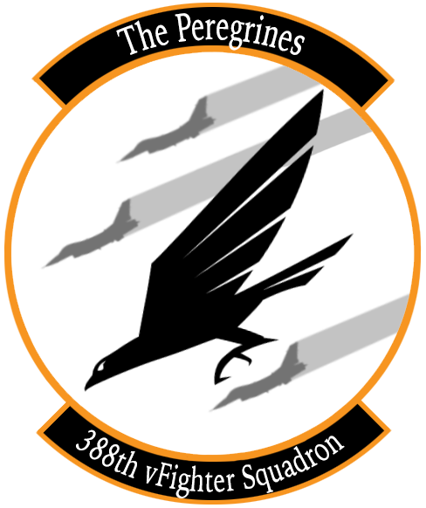
Air to Air Weapons | Cost | Weight (kg) | Number of Weapons | Cost Total | Weight Total (kg)
AIM-120B | $260,000 | 150 |  | $0 | 0
AIM-120C | $400,000 | 150 |  | $0 | 0
AIM-9L | $190,000 | 86 |  | $0 | 0
AIM-9M | $200,000 | 86 |  | $0 | 0
AIM-9X | $350,000 | 85 |  | $0 | 0
Air to Ground Weapons | Cost | Weight (kg) | Number of Weapons | Cost | Weight Total (kg)
Mk-82 | $2,000 | 241 |  | $0 | 0
Mk-82 AIR | $2,300 | 258 |  | $0 | 0
Mk-82 AIR w/ ballute | $2,300 | 241 |  | $0 | 0
Mk-84 | $3,100 | 925 |  | $0 | 0

GBU-12 | $21,000 | 225 |  | $0 | 0
GBU-10 | $30,000 | 900 |  | $0 | 0
 |  |  |  |  | 0
CBU-87 | $30,000 | 430 |  | $0 | 0
CBU-97 | $600,000 | 415 |  | $0 | 0

MK151 HE Rocket | $58,000 | 234 |  | $0 | 0
MK 156 WP Rocket | $58,000 | 234 |  | $0 | 0
MK5 HEAT Rocket | $58,000 | 234 |  | $0 | 0
MK61 WP Rocket | $58,000 | 234 |  | $0 | 0
Miscellaneous | Cost | Weight (kg) | Number of Weapons | Cost | Weight Total (kg)
AN/AAQ-28 Lightning | $1,400,000 | 300 |  | $0 | 0
Fuel Drop Tanks | $5,000 | 125 |  | $0 | 0

 |  |  | TOTAL | $0 | 0

Max Cost Allowed: $100,000,000
Max Weight Allowed: 120,000 kgs

